Sheet1
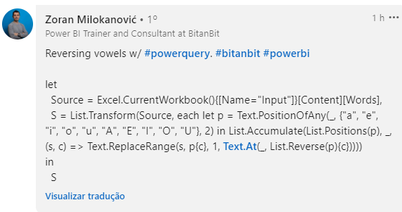
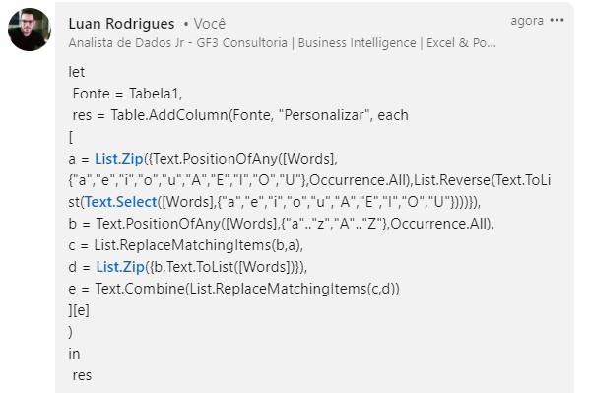
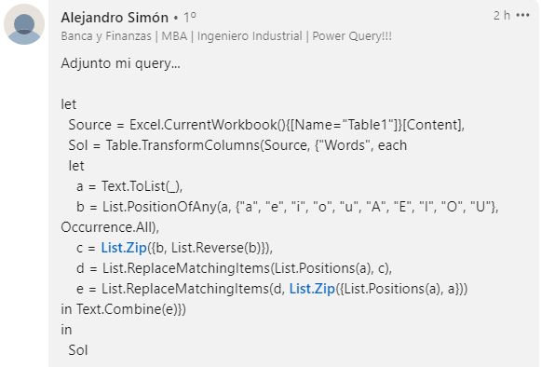
Words | Answer
education | odicatuen
extraordinary | axtriordanery
excel | excel
autonomous | uotonomuas
nymphs | nymphs
beautifully | buiutafelly
Neuroradiological | Nairorodialogucel
Antiestablishmentarianism | intaistableshmintareinAsm
Electroencephalographically | alictraoncaphelegrophecElly
Pneumonoultramicroscopicsilicovolcanoconiosis | Pniominooltramocroscipicsilocovilcanuconouses
Inverta apenas as vogais nas palavras dadas. Ex. ice - eci
universal - anevirsul

